User Guide
 | Step by step guide to open and go through the form

1 | Click on the button similar to the button below in the register sheet

 | All Data Entries and edits will be done via the userform
 | All Date and Time are expected to be in DD-Month-YYY
2 | The form will always pop up in the top left corner of the excel sheet.
Close form
This button will not save any changes so it is advised not to use this to close the form
 | MAIN PAGE/NAVIGATION
A tick box that will
filter the entries to only show those with Pre-commencement status
A tick box that will
allow user to save their progress as soon as they clicked other forms
Moves back one entry
A tick box that will
skip incomplete entries
Moves forward one entry

Jump to the first project in the entry
Jump to the last project in the entry
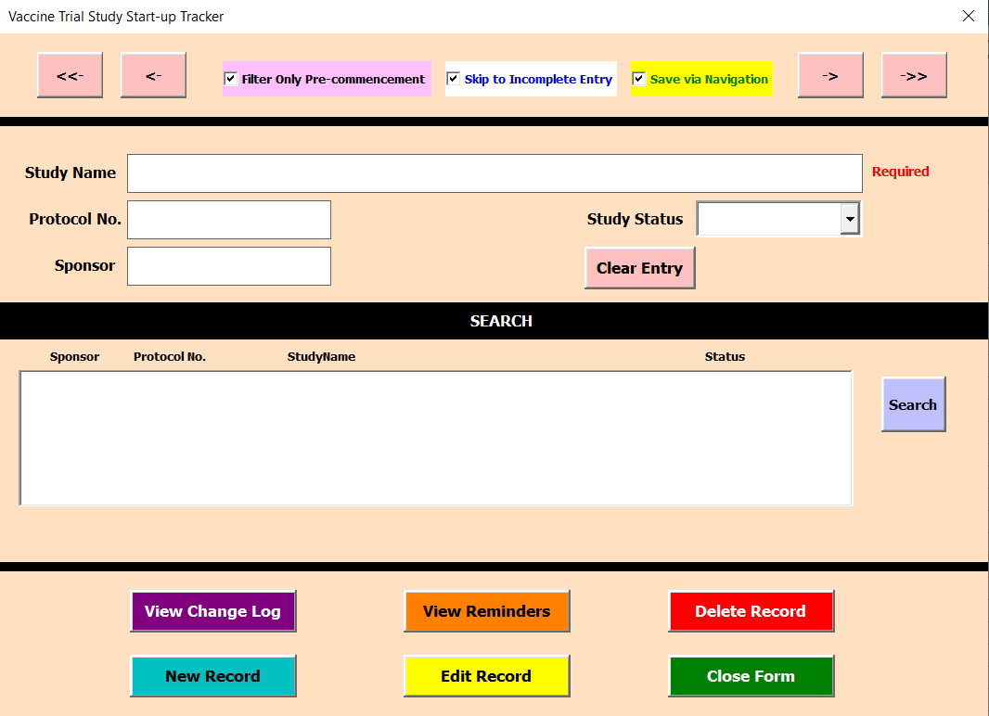

Show the protocol number for the selected study entry
Shows study names or can be used as a searching mechanism to find the study that the client want to review

States the sponsor for the study previewed
Show the status of the study being previewed

Button used to search the study name in the entries

Shows similar entry names to the one inserted on the study name box when search button is clicked.
View Change Log
Allows user to see the date and time when the entry was edited.

Delete selected entry from the active entry batch.
This will result in the data to be kept hidden with deleted status and will not show up anymore. Data will still be kept hidden in the database

New Record
This button will open up userform that will allow the creation of a new entry
View Reminders
This button will open up userform that will show the reminders written by previous user who edit the entry
Edit Record
This button will open up userform that will allow changes to the entry
Close form
This button will not save any changes

 | EDIT RECORD FORM
 | Edit Record will open up a new form where there is different tabs to select on to input details such as Study Detail, CDA, Feasibility,etc.
Navigation button to go through all the available tables/userforms needed to complete the study entry.
 | STUDY DETAIL PAGE

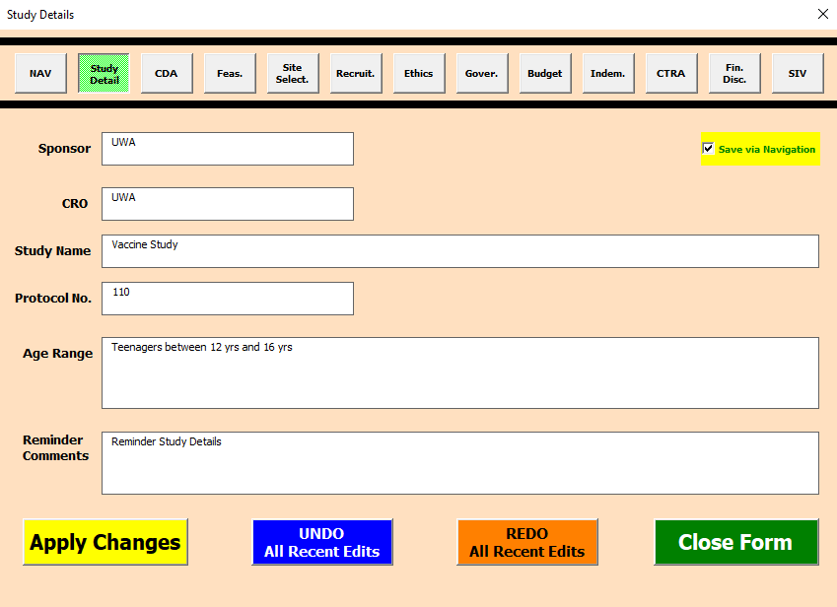
Enter name of sponsor

Enter the CRO that is involved in the study
A tick box that will
allow user to save their progress as soon as they clicked other forms/the navigation buttons

Enter appropiate study name that is going to be used

Enter the age range that is going to be appropriate for the study

Enter appropiate Protocol number

Enter reminders if needed this reminder will be available to be reviewed under view reminder button on navigation page

Redo Button
This button will only redo the recently deleted changes but will not work if client have changed to another userform
Apply Changes
This button will Save any changes done to the textboxes in the userform
Undo Button
This button will only undo the recent changes but will not work if client have changed to another userform

 | CDA PAGE

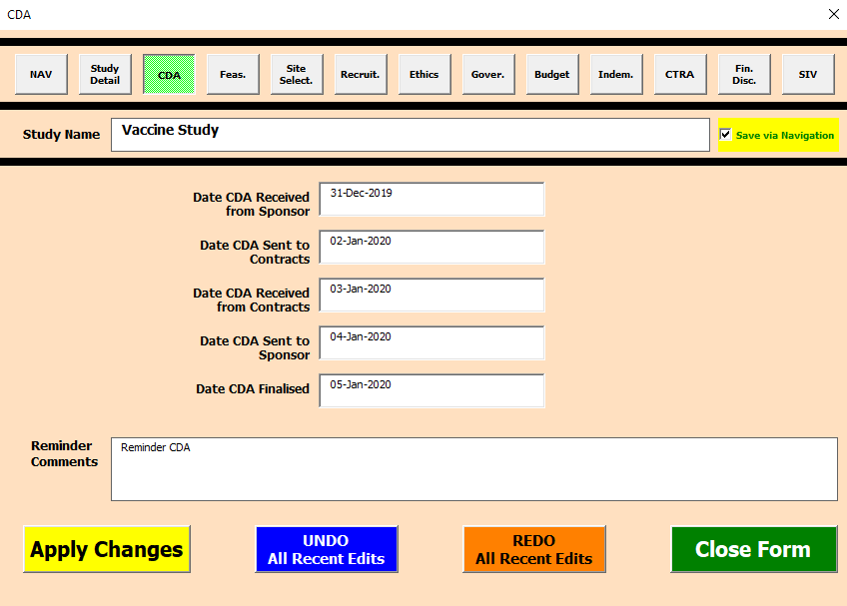
Enter appropriate date when CDA is received from sponsor

Enter appropriate date when CDA is sent to CRO

Enter appropriate date where Reviewed CDA is sent back to sponsor

Enter appropriate date when CDA has been reviewed and received from CRO

Enter appropriate date when CDA is finalised

 | FEASIBILITY

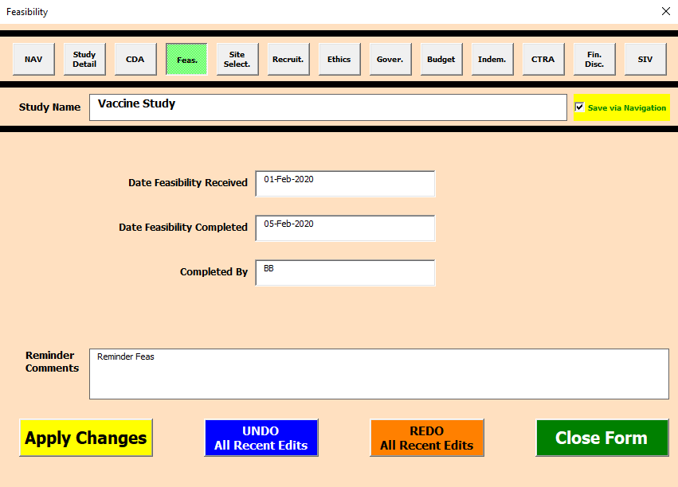

Enter appropriate date when Feasibility contract is received

Enter appropriate date when Feasibility contract is completed

Enter appropriate name of who completed the feasibility

 | SITE SELECTION

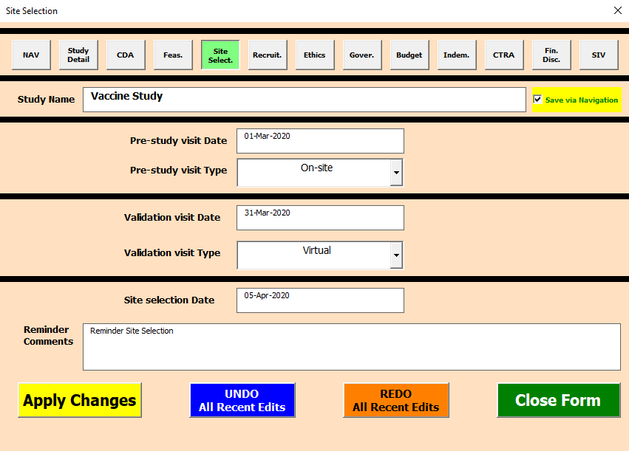

Enter appropriate date of the pre-study visit

Enter appropriate type of the visit from the drop-down menu

Enter appropriate date of the validation visit

Enter appropriate type of the visit from the drop-down menu

Enter appropriate date of the final site selection

 | RECRUITMENT PLAN

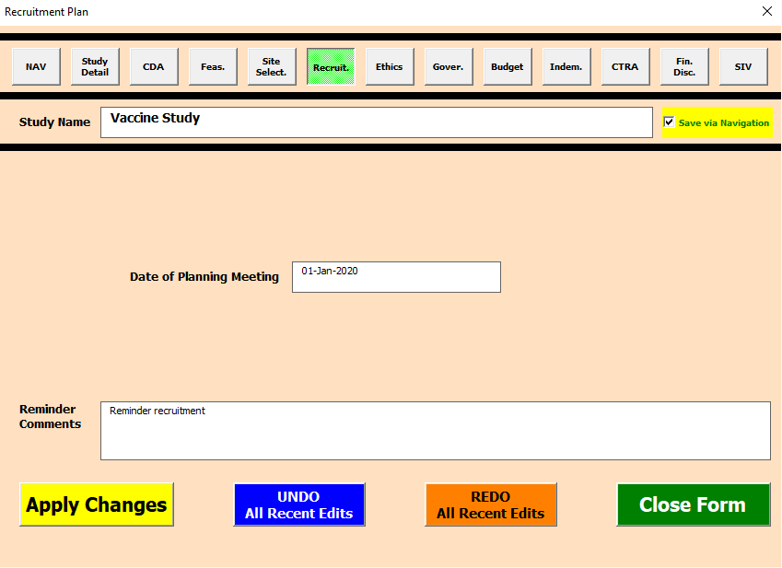

Enter appropriate date of planning meeting

 | ETHICS REVIEW
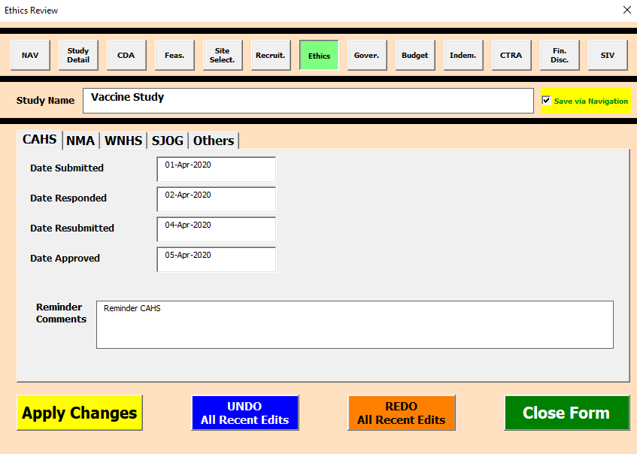
Different companies that can approve ethics

Enter appropriate date when ethics review is submitted

Enter appropriate date when the ethics review is resubmitted

Enter appropriate date when the respond is received

Enter appropriate date when ethics review is approved

 | Governance Review

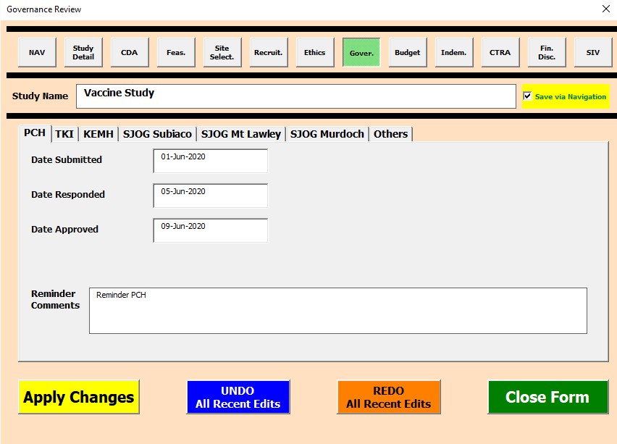
Different companies that can approve governance review

Enter appropriate date when governance review is submitted

Enter appropriate date when governance review is responded

Enter appropriate date when governance review is approved

Enter appropriate date when TKI approve the budget review

 | Budget Review

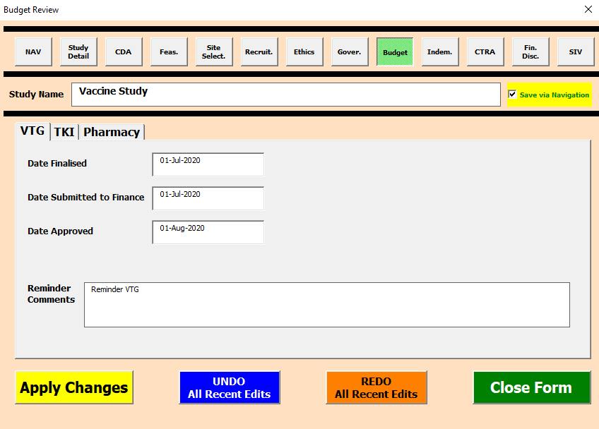
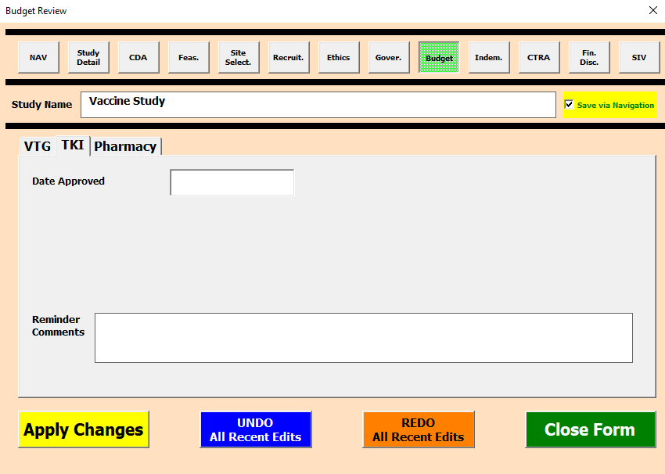

Enter appropriate date when Budget Review is finalised

Enter appropriate date when review is submitted to finance

Enter appropriate date when date approved

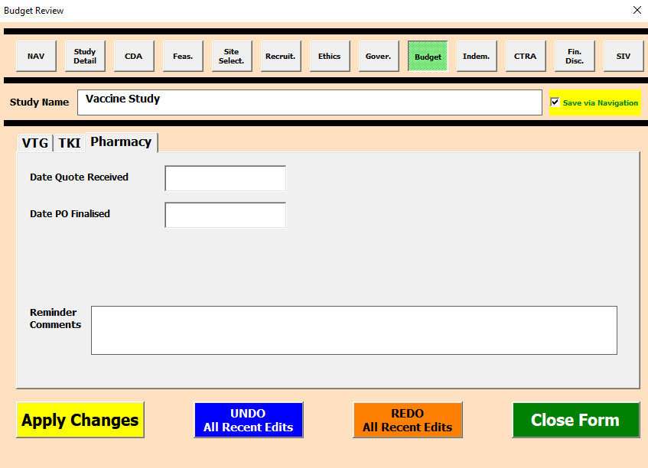

Enter appropriate date when quote is received from pharmacy

Enter appropriate date when date PO is finalised

 | Indemnity Review

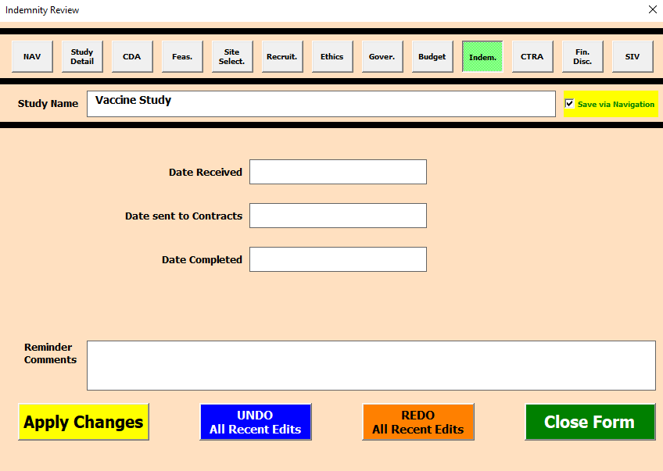

Enter appropriate date when Indemnity is reviewed

Enter appropriate date when Indemnity review is sent to contracts

Enter appropriate date when indemnity review is completed

Enter appropriate date of submitted to research, governance and contract
 | CTRA

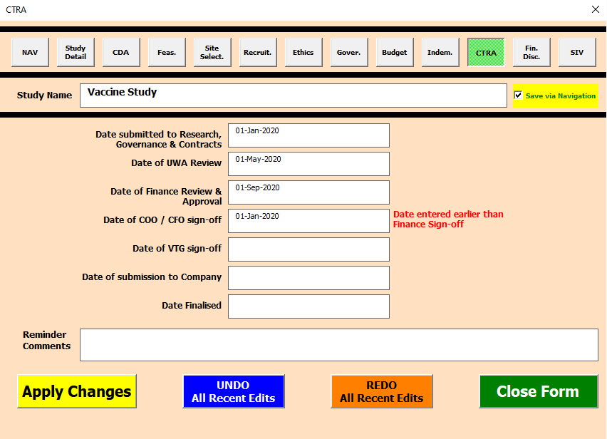

Enter appropriate date of UWA review
Enter appropriate date of VTG sign-off

Enter appropriate date of Finance Review and Approval

Enter appropriate date of submission to company

Enter appropriate date of COO/CFO Sign-off

Enter appropriate date when CTRA is finalised

 | CTRA

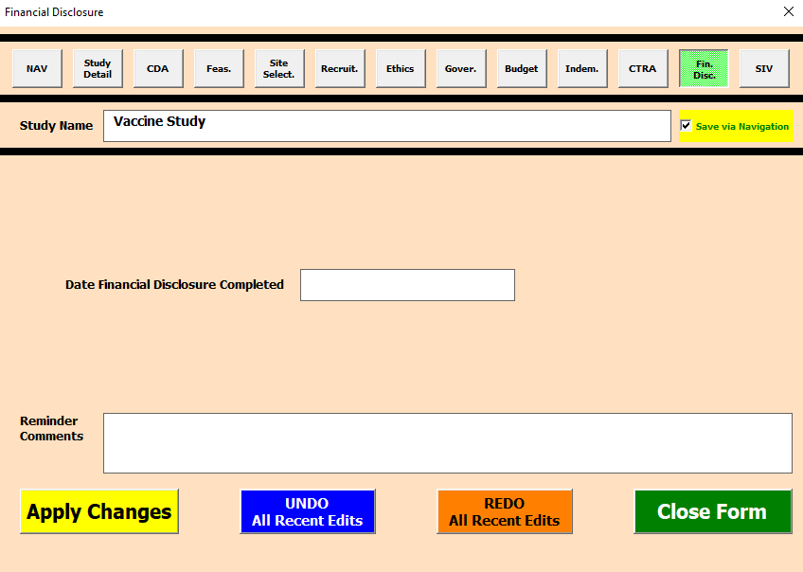

Enter appropriate date of when the financial disclosure is completed

 | SIV

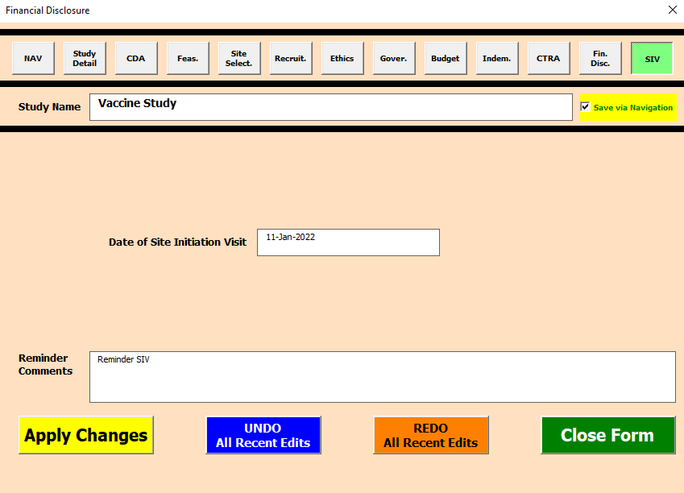

Enter appropriate date of site initiation visit

Register
Commenced | Stage 1 |  |  |  |  |  |  |  |  |  |  |  |  |  |  |  |  |  |  |  |  |  |  |  |  |  |  |  |  |  |  |  |  |  |  |  |  |  |  |  |  |  |  |  |  |  |  |  |  |  |  |  |  |  |  |  |  |  |  |  |  |  |  |  |  |  |  |  |  |  |  |  |  |  |  |  |  |  |  |  |  |  |  |  |  |  |  |  |  | SIV - Version Control
Study Status | Protocol No. | Study Name | Study Sponsor | Study CRO | Age Range | Date CDA Received from Sponsor | Date CDA sent to Contracts | Date CDA received from Contracts | Date CDA Sent to Sponsor | Date CDA Finalised | Date Feasibility Received | Date Feasibility Completed | Completed By | Pre-study Visit Date | Pre-study Visit Type | Validation Visit Date | Validation Visit Type | Site Selection Date | Date of Planning Meeting | CAHS Ethics Review - Date Submitted | CAHS Ethics Review - Date Responded | CAHS Ethics Review - Date Resubmitted | CAHS Ethics Review - Date Approved | CAHS Ethics Review - Reminder Comments | NMA Ethics Review - Ethics Committee Name | NMA Ethics Review - Date Submitted | NMA Ethics Review - Date Approved | NMA Ethics Review - Reminder Comments | WNHS Ethics Review - Date Submitted | WNHS Ethics Review - Date Approved | WNHS Ethics Review - Reminder Comments | SJOG Ethics Review - Date Submitted | SJOG Ethics Review - Date Approved | SJOG Ethics Review - Reminder Comments | Other Ethics Review - Ethics Committee Name | Other Ethics Review - Date Submitted | Other Ethics Review - Date Approved | Others Ethics Review - Reminder Comments | PCH Gov. Review - Date Submitted | PCH Gov. Review - Date Responded | PCH Gov. Review - Date Approved | PCH Gov. Review - Reminder Comments | TKI Gov. Review - Date Submitted | TKI Gov. Review - Date Responded | TKI Gov. Review - Date Approved | TKI Gov. Review - Reminder Comments | KEMH Gov. Review - Date Submitted | KEMH Gov. Review - Date Responded | KEMH Gov. Review - Date Approved | KEMH Gov. Review - Reminder Comments | SJOG Subiaco Gov. Review - Date Submitted | SJOG Subiaco Gov. Review - Date Responded | SJOG Subiaco Gov. Review - Date Approved | SJOG Subiaco Gov. Review - Reminder Comments | SJOG Mt Lawley Gov. Review - Date Submitted | SJOG Mt Lawley Gov. Review - Date Responded | SJOG Mt Lawley Gov. Review - Date Approved | SJOG Mt Lawley Gov. Review - Reminder Comments | SJOG Murdoch Gov. Review - Date Submitted | SJOG Murdoch Gov. Review - Date Responded | SJOG Murdoch Gov. Review - Date Approved | SJOG Murdoch Gov. Review - Reminder Comments | Other Gov. Review - Governance Body | Other Gov. Review - Date Submitted | Other Gov. Review - Date Responded | Other Gov. Review - Date Approved | Others Gov. Review - Reminder Comments | VTG Budget Review - Date Finalised | VTG Budget Review - Date Submitted to Finance | VTG Budget Review - Date Approved | VTG Budget Review - Reminder Comments | TKI Budget Review - Date Approved | TKI Budget Review - Reminder Comments | Pharmacy Budget Review - Date Quote Received | Pharmacy Budget Review - Date PO Finalised | Pharmacy Budget Review - Reminder Comments | Indemnity Review - Date Received | Indemnity Review - Date Sent to Contracts | Indemnity Review - Date Completed | CTRA - Date submitted to Research, Gov. & Contracts | CTRA - Date of UWA Review | CTRA - Date of Finance Review & Approval | CTRA - Date of COO / CFO sign-off | CTRA - Date of VTG sign-off | CTRA - Date of submission to Company | CTRA - Date Finalised | Date Financial Disclosure Completed | Date of Site Initiation Visit | SIV - Reminder Comments | SIV - Date Entry Last Updated | SIV - User who Last Updated Entry | Study Details Complete | CDA Complete | FS Complete | Site Selection Complete | Recruitment Complete | Ethics - CAHS Complete | Ethics - NMA Complete | Ethics - WNHS Complete | Ethics - SJOG Complete | Ethics - Others Complete | Gov - PCH Complete | Gov - TKI Complete | Gov - KEMH Complete | Gov - SJOG Subiaco Complete | Gov - SJOG Mt Lawley Complete | Gov - SJOG Murdoch Complete | Gov - Others Complete | Budget - VTG Complete | Budget - TKI Complete | Budget - Pharmacy Complete | Indemnity Complete | CTRA Complete | Fin Disc Complete | SIV Complete | Overall Ethics | Overall Governance | Overall Budget | Overall Study | Fast Cycle Location
Pre-commencement | Protocol 1 | Study 1 | Sponsor 1 | CRO 1 | Age 1 |  |  |  |  |  |  |  |  |  |  |  |  |  |  |  |  |  |  |  |  |  |  |  |  |  |  |  |  |  |  |  |  |  |  |  |  |  |  |  |  |  |  |  |  |  |  |  |  |  |  |  |  |  |  |  |  |  |  |  |  |  |  |  |  |  |  |  |  |  |  |  |  |  |  |  |  |  |  |  |  |  |  |  |  |  |  | TRUE |  |  |  |  |  |  |  |  |  |  |  |  |  |  |  |  |  |  |  |  |  |  |  |  |  |  | FALSE | 2
Pre-commencement | Protocol 2 | Study 2 | Sponsor 2 | CRO 2 |  |  |  |  |  |  |  |  |  |  |  |  |  |  |  |  |  |  |  |  |  |  |  |  |  |  |  |  |  |  |  |  |  |  |  |  |  |  |  |  |  |  |  |  |  |  |  |  |  |  |  |  |  |  |  |  |  |  |  |  |  |  |  |  |  |  |  |  |  |  |  |  |  |  |  |  |  |  |  |  |  |  |  |  |  |  |  | FALSE |  |  |  |  |  |  |  |  |  |  |  |  |  |  |  |  |  |  |  |  |  |  |  |  |  |  | FALSE | 1
DELETED | PSM123 | Foxtrot Charlie | Pfizer | CRO 4 |  | 2020-01-10 | A | C | 2020-01-20 |  |  |  |  |  |  |  |  |  |  |  |  |  |  |  |  |  |  |  |  |  |  |  |  |  |  |  |  |  |  |  |  |  |  |  |  |  |  |  |  |  |  |  |  |  |  |  |  |  |  |  |  |  |  |  |  |  |  |  |  |  |  |  |  |  |  |  |  |  |  |  |  |  |  |  |  |  |  |  |  |  |  |  |  |  |  |  |  |  |  |  |  |  |  |  |  |  |  |  |  |  |  |  |  |  |  |  |  |  | FALSE | 1
Pre-commencement | PNUM-12343 | Full example study | ABC | CRO | Children ages 1 to 5 | 2020-01-10 | 2020-01-12 | 2020-02-02 | 2020-03-01 | 2020-03-31 | 2020-01-15 | 2020-03-31 | HE | 2020-03-20 | Virtual | 2020-03-27 | On-site | 2020-04-01 | 2020-04-05 | 2020-06-01 | 2021-09-01 | 2021-02-01 | 2020-06-30 |  | NMT | 2020-01-01 | 2020-01-26 |  | 2020-01-20 | 2020-01-24 |  |  |  |  |  |  |  |  | 2020-06-01 | 2020-05-05 | 2020-09-09 |  | 2020-07-01 | 2020-07-05 | 2020-08-01 |  |  |  |  |  |  |  |  |  |  |  |  |  |  |  |  |  |  |  |  |  |  | 2020-08-01 | 2020-08-15 | 2020-09-01 |  | 2020-09-05 |  | 2020-08-01 | 2020-09-30 |  | 2020-11-01 | 2020-11-01 | 2021-01-01 | 2020-05-01 | 2020-05-03 | 2020-05-04 | 2020-05-06 | 2020-05-06 | 2020-05-07 | 2020-05-08 | 2020-10-20 | 2022-02-01 | Reminder to followup in dec | 28-Sep-2021 | Valued Customer | TRUE | TRUE | TRUE | TRUE | TRUE | TRUE | TRUE | TRUE |  |  | TRUE | TRUE |  |  |  |  |  | TRUE | TRUE | TRUE | TRUE | TRUE | TRUE | TRUE | TRUE | TRUE | TRUE | TRUE | 9
Pre-commencement | 212171 | GRACE | GSK | GSK | pregnant women 18-49 y/o |  |  |  |  |  |  |  |  |  |  |  |  |  |  |  |  |  |  |  |  |  |  |  |  | 2021-05-26 |  |  | 2021-06-11 |  |  |  |  |  |  |  | 2021-06-05 |  |  |  | 2021-06-09 |  |  |  |  | In progress |  |  |  | In progress |  |  | 2021-07-05 |  |  |  |  | in progress | Midland |  |  |  | In Progress |  |  |  |  |  |  |  |  | Quote and service agreement signed |  |  |  |  |  |  |  |  |  |  |  | 2021-07-20 |  | 04-Oct-2021 | ACER | TRUE |  |  |  |  |  |  | FALSE | FALSE |  | FALSE | FALSE |  |  | FALSE |  | FALSE |  |  |  |  |  |  | TRUE | FALSE | FALSE |  | FALSE | 8
Commenced | C3671008 | Matisse | Pfizer | ICON | Pregnant women and babies | 2020-07-01 | 2020-07-02 | 2020-07-03 | 2020-07-04 | 2020-07-05 | 2020-07-06 | 2020-07-07 |  |  |  |  |  |  |  |  |  |  |  |  | Monash Health |  | 2020-07-15 |  |  |  |  | 2020-07-09 | 2020-07-16 |  |  |  |  |  |  |  |  |  |  |  |  |  |  |  |  |  |  |  |  |  |  |  |  |  |  |  |  |  |  |  |  |  |  |  |  |  |  |  |  |  |  |  |  |  |  |  |  |  |  |  |  |  |  |  |  |  |  | TRUE | TRUE | FALSE |  |  |  | FALSE |  | TRUE |  |  |  |  |  |  |  |  |  |  |  |  |  |  |  | TRUE |  |  | FALSE | 3
Click to Import Code

Overview Report
Vaccine Trial Start-ups Tracking Form |  | Data retrieved 04-Oct-2021 03:17 PM
BRING IN DATA
Completed activity
Incomplete activity

1 | 2 | 4 | 3 | 5 | 6 | 7 | 8 | 9 | 10 | 11 | 12 | 13 | 14 | 15 | 16 | 17 | 18 | 19 | 20 | 21 | 22 | 23 | 24 | 25 | 26 | 27 | 28 | 29 | 30 | 31 | 32 | 33 | 34

Study Status | Date Created | Study Name | Date Last Updated | Protocol Number | Sponsor | CRO | Age Range / Reminder | CDA | Feasibility | Site Selection | Recruitment Plan | Overall Ethics Approval | CAHS Ethics Approval | NMA Ethics Approval | WNHS Ethics Approval | SJOG Ethics Approval | Others Ethics Approval | Overall Governance Approval | PCH Governance Approval | TKI Governance Approval | KEMH Governance Approval | SJOG Subiaco Gov. Approval | SJOG Mt Lawley Gov. Approval | SJOG Murdoch Gov. Approval | Others Governance Approval | Overall Budget Approval | VTG Budget Approval | TKI Budget Approval | Pharmacy Quotation | Indemnity | CTRA | Financial Disclosure | SIV
Pre-commencement | 13-Sep-2021 | Study 1 | 04-Oct-2021 | Protocol 1 | Sponsor 1 | CRO 1 | Age 1
Pre-commencement | 13-Sep-2021 | Study 2 | 29-Sep-2021 | Protocol 2 | Sponsor 2 | CRO 2 | Reminder: Call Mr M to followup on 17th October
Pre-commencement | 13-Sep-2021 | Full example study | 29-Sep-2021 | PNUM-12343 | ABC | CRO | Children ages 1 to 5 | Date Recv. Sponsor = 10-Jan-20 Date Sent Contracts = 12-Jan-20 Date Recv. Contracts = 02-Feb-20 Date Sent Sponsor = 01-Mar-20 Date Finalised = 31-Mar-20 | Date Recv. = 15-Jan-20 Date Completed = 31-Mar-20; HE | Pre-study visit = 20-Mar-20; Virtual Valid. visit = 27-Mar-20; On-site Date Site Selected = 01-Apr-20 | Plan. Meeting = 05-Apr-20 | CAHS Complete NMA Complete WNHS Complete | Date Submitted = 01-Jun-20 Date Responded = 01-Sep-21 Date Resubmitted = 01-Feb-21 Date Approved = 30-Jun-20 | Ethics Commitee = NMT Date Submitted = 01-Jan-20 Date Approved = 26-Jan-20 | Date Submitted = 20-Jan-20 Date Approved = 24-Jan-20 |  |  | PCH Complete TKI Complete | Date Submitted = 01-Jun-20 Date Responded = 05-May-20 Date Approved = 09-Sep-20 | Date Submitted = 01-Jul-20 Date Responded = 05-Jul-20 Date Approved = 01-Aug-20 |  |  |  |  |  | VTG Complete TKI Complete Pharmacy Complete | Date Finalised = 01-Aug-20 Date Submitted Finance = 15-Aug-20 Date Approved = 01-Sep-20 | Date Approved = 05-Sep-20 | Date Quote Recv. = 01-Aug-20 Date PO Finalised = 30-Sep-20 | Date Received = 01-Nov-20 Date Sent Contracts = 01-Nov-20 Date Completed = 01-Jan-21 | Date Submitted R,G&C = 01-May-20 Date UWA Review = 03-May-20 Date Finance Review = 04-May-20 Date COO/CFO Sign-off = 06-May-20 Date VTG Sign-off = 06-May-20 Date Subm. Company = 07-May-20 Date Finalised = 08-May-20 | Date Completed = 20-Oct-20 | Date of SIV = 01-Feb-22
Pre-commencement | 4-Oct-2021 | GRACE | 04-Oct-2021 | 212171 | GSK | GSK | pregnant women 18-49 y/o |  |  |  |  | WNHS Incomplete SJOG Incomplete |  |  | Date Submitted = Date Approved = 26-May-21 | Date Submitted = Date Approved = 11-Jun-21 |  | PCH Incomplete TKI Incomplete SJOG Mt Lawley Incomplete Others Incomplete | Date Submitted = Date Responded = Date Approved = 05-Jun-21 | Date Submitted = Date Responded = Date Approved = 09-Jun-21 |  |  | Date Submitted = Date Responded = Date Approved = 05-Jul-21 |  | Gov. Body = Midland Date Submitted = Date Responded = Date Approved = Reminder: In Progress |  |  |  |  |  |  |  | Date of SIV = 20-Jul-21
Commenced | 4-Oct-2021 | Matisse | 04-Oct-2021 | C3671008 | Pfizer | ICON | Pregnant women and babies | Date Recv. Sponsor = 01-Jul-20 Date Sent Contracts = 02-Jul-20 Date Recv. Contracts = 03-Jul-20 Date Sent Sponsor = 04-Jul-20 Date Finalised = 05-Jul-20 | Date Recv. = 06-Jul-20 Date Completed = 07-Jul-20; |  |  | SJOG Complete |  | Ethics Commitee = Monash Health Date Submitted = Date Approved = 15-Jul-20 |  | Date Submitted = 09-Jul-20 Date Approved = 16-Jul-20

